sector overview
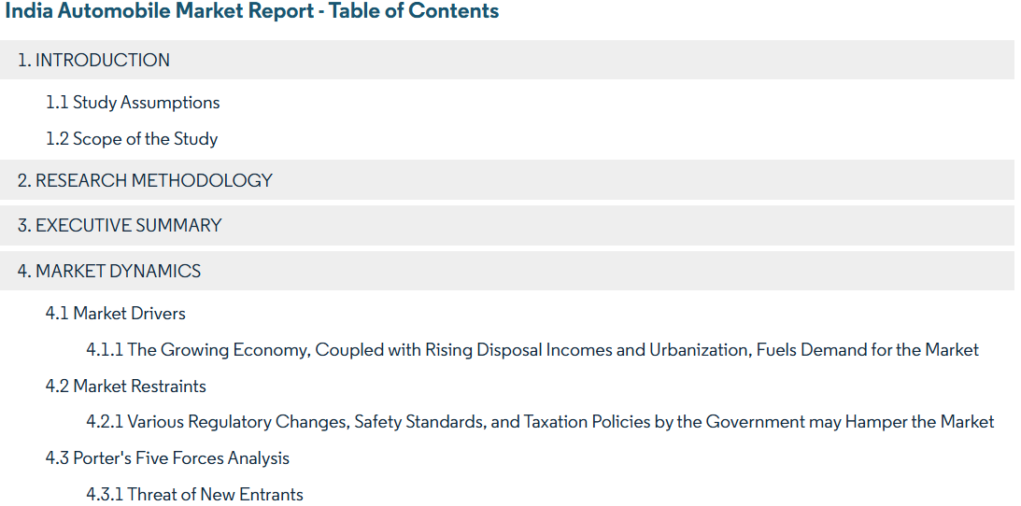
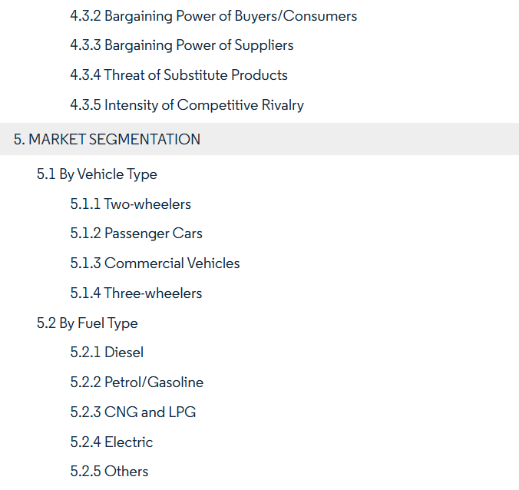
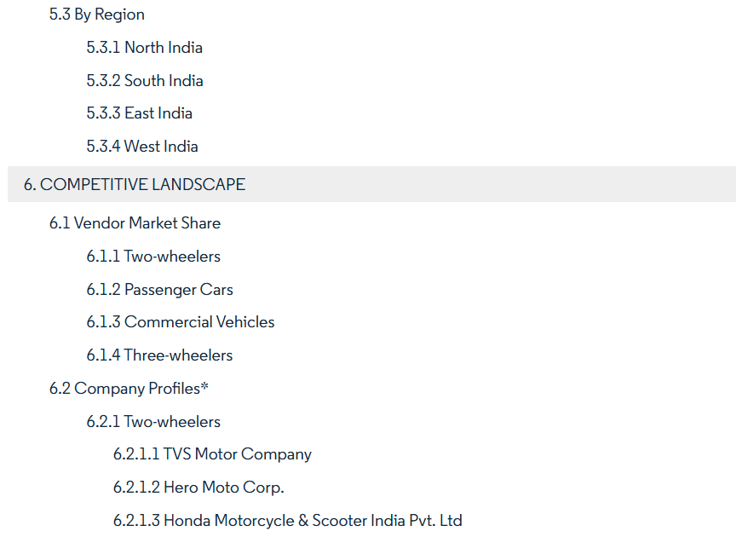
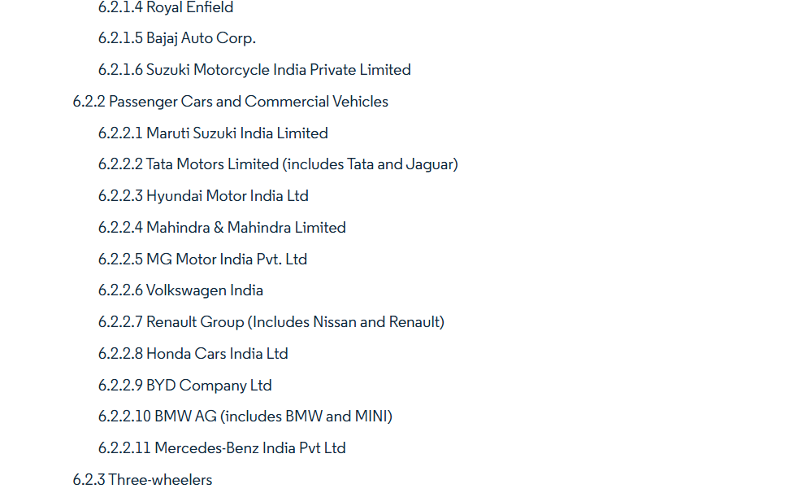
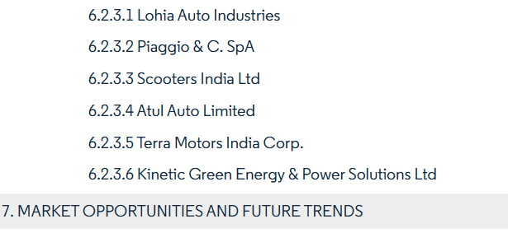
 | sector analysis and overview
In order to analyze any company's financials we need supplement it wit required story , story telling and number crunching should go hand in hand with any kind of analysis. therefore before we get into the crux of FSA, which is blance sheets , p&l and cashflows , before we embark on excel functions doing various calculation we need to understand the automobile sector in indian and its global positioning as well. so we will take a bird's eye view of what the sector is about , what are the growth drivers, general risks, rawmaterials and their costs , innovation opportunities basically to go into the automobile industry and pick apart the nuts and bolts (pun inteneded!)
resources: hyundai's DRHP, IBEF, CII AND INVEST INDIA report and automobile sector thematic reports

 | the basic steps : | a. differnce between sector and industry
 | 1. infor gathering | b.key performance indicators |  | reading list for sector analysis:
 | 2. how tp gather such info | c. political , technological, legal and innovation factors, environmental of the sector |  | normal google search- euitym,aster and shit
 | 3. articulation | d value chain and value migration |  | otherwebsites | & md&a
. | drafting | value chain analysis |  | consensus reading
 |  | e cost sectors and demand drivers
 |  | f contribution to gdp
macros:
1.pace of growth in the inustry ( industry gorwth> india's industrial growth- favourable)
2.demographics, disposable income
3.government regulation
4. global outlook ( if differnece, then why )
5. value migration-
6. commodatisation of the product
7. automobile- daily updates, 90days
8. georaghical/ labour arbritage- CDMO- CRAMS
 |  | g. position of india in that specific sector
Micros:
1. pricing war, if any, between whom
2. supply side consolidation / fragmentation (competion) - pricing power increased with industry
3. stability in market share players (waves)
4. understanding VALUE CHAIN -
5. understanding raw material sourcing ( AR & Tijori.com )
6. threat of obsolence/ availablity of substitute products
 |  | h. impex or domestic consumption and future projection
 |  | I correlation to nifty
 |  | j fii data analysis , sector rotation and in what sector global is flowing
 |  | k . Moat analysis | (assessed in relative to industry and peer companies)
 |  | l. mera sector grow kaise karega

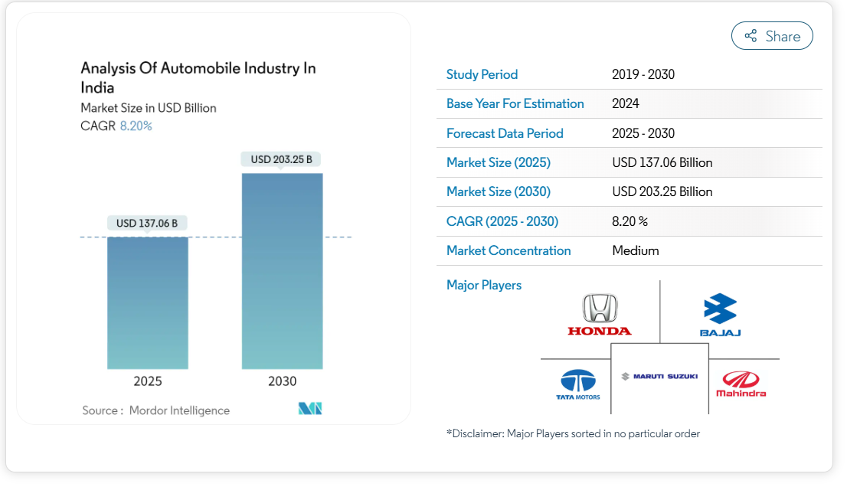
 | desired contents

economic overview
MACRO ECOMOMIC OVERVIEW

1. perception of risk , varies by strength of ecomomy
2. LEADING INDICATORS :
A. Monetary/ fiscal policy
b. rainfall
c stock indices
d. loan books of the banks: no. of loans and absolute amounts ( retail or corporate loans ) & quality of loans
3. LAGGING INDICATORS
A. employment rate
b. tax rates
4. COINCIDENT INDICATORS
a. GDP/GNP
b indiustrial production
c personal income

